records
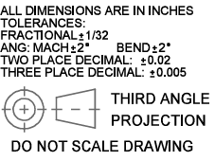
Sample Measurement Record
Mano Engineering LLC |  |  |  |  | Part No. 400060
No. | A | B | C | D
1 | 0.206 | 1.243 | 2 | 1.1255
2 | 0.212 | 1.245 | 1.999 | 1.121
3 | 0.207 | 1.241 | 1.9995 | 1.122
4 | 0.2095 | 1.242 | 2.0035 | 1.122
5 | 0.2085 | 1.2425 | 2.0035 | 1.121

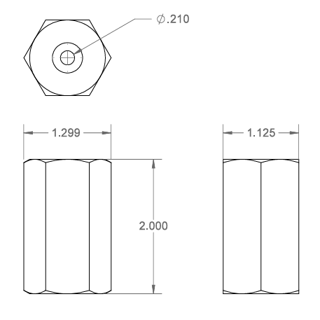
A

B
D

C

